Arduino 4 COM 24 MEGA Pod HUD
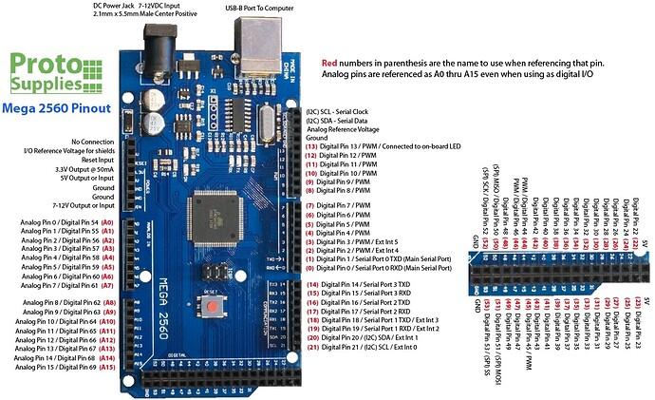
0 |  | KOD ARDUINO | /* Tell DCS-BIOS to use a serial connection and use interrupt-driven communication. The main program will be interrupted to prioritize processing incoming data. This should work on any Arduino that has an ATMega328 controller (Uno, Pro Mini, many others). */ #define DCSBIOS_IRQ_SERIAL #include "DcsBios.h" //TESTY TESTY _TESTY //TESTY TESTY TEStY //---------------------------------------------------------------------------------- // Fuel Panel Lower //Mode Selector Switch, MAN/OFF/AUTO Fuel Panel Lower DcsBios::Switch3Pos modeSelectorSw("MODE_SELECTOR_SW", 2, 3); //Selector Switch, HUD/LDIR/RDDIFA Fuel Panel Lower DcsBios::Switch3Pos selectHudLddiRddi("SELECT_HUD_LDDI_RDDI", 5, 4); //Selector Switch, HMD/LDDI/RDDI Fuel Panel Lower DcsBios::Switch3Pos selectHmdLddiRddi("SELECT_HMD_LDDI_RDDI", 7, 6); //End Fuel Panel Lower //------------------------------------------------------------------------------------ //------------------------------------------------------------------------------------------------------------------------- //IFEI PANEL //Encoder IFEI panel paliwowy pin 1 DcsBios::RotaryEncoder ifei("IFEI", "-1600", "+1600", A1, A0, DcsBios::ONE_STEP_PER_DETENT); //--------------------------------------------------------------------------------------------------------------------------- //--------------------------------------------------------------------------------------------------------------------------- //Spin Recovery Panel //IR Cooling Switch, ORIDE/NORM/OFF DcsBios::Switch3Pos irCoolSw("IR_COOL_SW", A2, A3); //HMD OFF/BRT Knob DcsBios::RotaryEncoder hmdOffBrt("HMD_OFF_BRT", "-3200", "+3200", A4, A5); //Spin Recovery Switch, RCVY/NORM DcsBios::Switch2Pos spinRecoverySw("SPIN_RECOVERY_SW", A6); //APU Fire Warning/Extinguisher Light DcsBios::Switch2Pos apuFireBtn("APU_FIRE_BTN", A7); //--------------------------------------------------------------------------------------------------
1
2 | Mode Selector Switch, MAN/OFF/AUTO Fuel Panel Lower
3 | Mode Selector Switch, MAN/OFF/AUTO Fuel Panel Lower
4 | Selector Switch, HMD/LDDI/RDDI Fuel Panel Lower
5 | Selector Switch, HMD/LDDI/RDDI Fuel Panel Lower
6 | Selector Switch, HUD/LDIR/RDDIFA Fuel Panel Lower
7 | Selector Switch, HUD/LDIR/RDDIFA Fuel Panel Lower
8 | UFC ADF Function Select Switch, 1/OFF/2 | a
9 | UFC ADF Function Select Switch, 1/OFF/2 | a
10 | UFC COMM 1 Volume Control Knob | a
11 | 44 | a
12 | UFC Brightness Control Knob
13 | UFC Brightness Control Knob
14 | UFC Emission Control (EM) Pushbutton
15 | UFC COMM 2 Volume Control Knob | a
16 | UFC COMM 2 Volume Control Knob | a
17 | UFC Keyboard Pushbutton, CLR | a
18 | UFC Keyboard Pushbutton, ENT | a
19 | UFC Keyboard Pushbutton, 0 | a
20 | UFC Keyboard Pushbutton, 1 | a
21 | UFC Keyboard Pushbutton, 2 | a
22 | UFC Keyboard Pushbutton, 3
23 | UFC Keyboard Pushbutton, 4 | a
24 | UFC Keyboard Pushbutton, 5 | a
25 | UFC Keyboard Pushbutton, 6
26 | UFC Keyboard Pushbutton, 7 | a
27 | UFC Keyboard Pushbutton, 8 | a
28 | UFC Keyboard Pushbutton, 9
29 | UFC COMM 1 Channel Select KnobFA
30 | UFC COMM 1 Channel Select KnobFA | a
31 | UFC COMM 1 Channel Selector Knob Pull (PUSH :) ) | a
32 | UFC COMM 2 Channel Select Knob | a
33 | UFC COMM 2 Channel Select Knob | a
34 | UFC COMM 2 Channel Selector Knob Pull | a
35 | HUD Symbology Reject Switch, NORM/REJ 1/REJ 2 | a
36 | HUD Symbology Reject Switch, NORM/REJ 1/REJ 2 | a
37 | HUD Symbology Brightness Control Knob | a
38 | HUD Symbology Brightness Control Knob | a
39 | HUD Symbology Brightness Selector Knob, DAY/NIGHT | a
40 | Black Level Control Knob | a
41 | Black Level Control Knob | a
42 | HUD Video Control Switch, W/B /VID/OFF | a
43 | HUD Video Control Switch, W/B /VID/OFF | a
44 | HUD Balance Control Knob | a
45 | HUD Balance Control Knob | a
46 | AOA Indexer Control Knob | a
47 | AOA Indexer Control Knob | a
48 | Altitude Switch, BARO/RDR | a
49 | Attitude Selector Switch, INS/AUTO/STBY | a
50 | Attitude Selector Switch, INS/AUTO/STBY | a
51
52
53
A0 | IFEI Brigtness Control Knob
A1 | IFEI Brigtness Control Knob
A2 | IR Cooling Switch, ORIDE/NORM/OFF
A3 | IR Cooling Switch, ORIDE/NORM/OFF
A4 | HMD OFF/BRT Knob
A5 | HMD OFF/BRT Knob
A6 | Spin Recovery Switch, RCVY/NORM
A7 | APU Fire Warning/Extinguisher Light | */*-
A8 | RDDI Brightness Selector Knob, OFF/NIGHT/DAY
A9 | RDDI Brightness Selector Knob, OFF/NIGHT/DAY
A10 | AMPCD OFF/BRIGHNES control Knob
A11 | RWR Intensity Knob (prawy panel zegarów)(ptencjometr)
A12 | ALR-67 DMR Control Knob (potencjometr)
A13
A14
A15

Arduino 7 UNO COM12 left Vertic
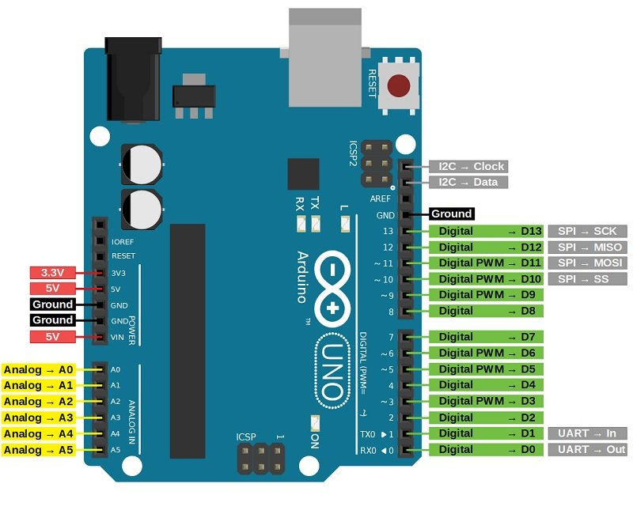
0 | RX TX
1 | RX TX
2 | Ground Power Switch 2, A ON/AUTO/B ON
3 | Ground Power Switch 2, A ON/AUTO/B ON
4 | Ground Power Switch 1, A ON/AUTO/B ON
5 | Ground Power Switch 1, A ON/AUTO/B ON
6 | LDG/TAXI LIGHT Switch
7 | Anti Skid
8 | FLAP Switch, AUTO/HALF/FULL
9 | FLAP Switch, AUTO/HALF/FULL
10 | Launch Bar
11 | Selective Jettison Pushbutton
12 | Selective Jettison Knob, L FUS MSL/SAFE/R FUS MSL/ RACK/LCHR /STORES
13 | Selective Jettison Knob, L FUS MSL/SAFE/R FUS MSL/ RACK/LCHR /STORES
A0 | Selective Jettison Knob, L FUS MSL/SAFE/R FUS MSL/ RACK/LCHR /STORES
A1 | Selective Jettison Knob, L FUS MSL/SAFE/R FUS MSL/ RACK/LCHR /STORES
A2 | Selective Jettison Knob, L FUS MSL/SAFE/R FUS MSL/ RACK/LCHR /STORES
A3 | Canopy Jettison Handle Unlock Button - Press to unlock
A4 | Canopy Jettison Handle Unlock Button - Press to jettison
A5

 | KOD ARDUINO
 | /* Tell DCS-BIOS to use a serial connection and use interrupt-driven communication. The main program will be interrupted to prioritize processing incoming data. This should work on any Arduino that has an ATMega328 controller (Uno, Pro Mini, many others). */ #define DCSBIOS_IRQ_SERIAL #include "DcsBios.h" //======================================================================================== //======================================================================================== //Powrót do panelu przepustnicy //Ground Power Switch 2, A ON/AUTO/B ON DcsBios::Switch3Pos gndPwr2Sw("GND_PWR_2_SW", 2, 3); //Ground Power Switch 1, A ON/AUTO/B ON DcsBios::Switch3Pos gndPwr1Sw("GND_PWR_1_SW", 4, 5); //========================================================================================= //========================================================================================= //Panel Vertical Left //LDG/TAXI LIGHT Switch DcsBios::Switch2Pos ldgTaxiSw("LDG_TAXI_SW", 6); //Anti Skid DcsBios::Switch2Pos antiSkidSw("ANTI_SKID_SW", 7); //FLAP Switch, AUTO/HALF/FULL DcsBios::Switch3Pos flapSw("FLAP_SW", 8, 9); //Launch Bar DcsBios::Switch2Pos launchBarSw("LAUNCH_BAR_SW", 10); //Selective Jettison Pushbutton DcsBios::Switch2Pos selJettBtn("SEL_JETT_BTN", 11); //Selective Jettison Knob, L FUS MSL/SAFE/R FUS MSL/ RACK/LCHR /STORES const byte selJettKnobPins[9] = {12, 13, A0, A1, A2}; DcsBios::SwitchMultiPos selJettKnob("SEL_JETT_KNOB", selJettKnobPins, 9); //Canopy Jettison Handle Unlock Button - Press to unlock DcsBios::Switch2Pos canopyJettHandleUnlock("CANOPY_JETT_HANDLE_UNLOCK", A3); //Canopy Jettison Handle Unlock Button - Press to jettison DcsBios::Switch2Pos canopyJettHandlePull("CANOPY_JETT_HANDLE_PULL", A4); void setup() { DcsBios::setup(); } void loop() { DcsBios::loop(); }

Arduino 8 NANOCOM28 left Vertic
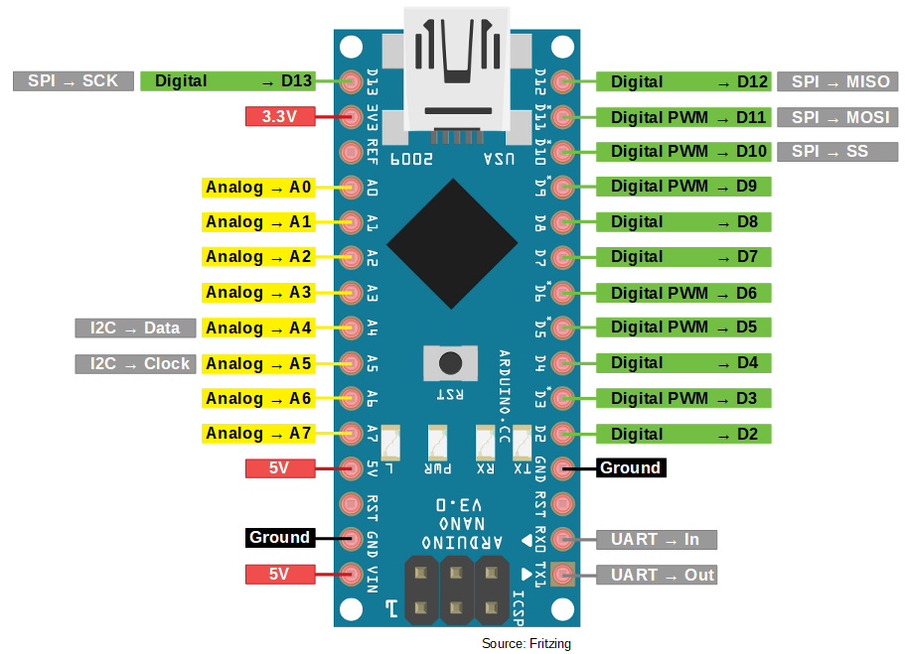
1 | TX RX
2 | TX RX
3 | Emergency/Parking Brake Rotate
4 | Emergency/Parking Brake Pull
5 | Emergency Gear Rotate
6 | Gear Lever
7 | Landing Gear Override
8 | Warning Tone Silence Button - Push to silence
9 | Seat Height Adjustment Switch, UP/HOLD/DOWN
10 | Seat Height Adjustment Switch, UP/HOLD/DOWN
11 | Shoulder Harness Control Handle, LOCK/UNLOCK
12 | Ejection Control Handle
13 | Emergency/Parking Brake Rotate
A0
A1
A2
A3
A4
A5
A6
A7
 | KOD ARDUINO
 | /*
 | Tell DCS-BIOS to use a serial connection and use interrupt-driven
 | communication. The main program will be interrupted to prioritize
 | processing incoming data.

 | This should work on any Arduino that has an ATMega328 controller
 | (Uno, Pro Mini, many others).
 | */
 | #define DCSBIOS_IRQ_SERIAL

 | #include "DcsBios.h"

 | //==================================================================
 | //==================================================================
 | //Left Vertical Panel UP
 | //=================================================================
 | //
 | //Emergency/Parking Brake Rotate
 | DcsBios::Switch2Pos emergencyParkingBrakeRotate("EMERGENCY_PARKING_BRAKE_ROTATE", 3);

 | //Emergency/Parking Brake Pull
 | DcsBios::Switch2Pos emergencyParkingBrakePull("EMERGENCY_PARKING_BRAKE_PULL", 4);

 | //Emergency Gear Rotate
 | DcsBios::Switch2Pos emergencyGearRotate("EMERGENCY_GEAR_ROTATE", 5);

 | //Gear Lever
 | DcsBios::Switch2Pos gearLever("GEAR_LEVER", 6);

 | //Landing Gear Override
 | DcsBios::Switch2Pos gearDownlockOverrideBtn("GEAR_DOWNLOCK_OVERRIDE_BTN", 7);

 | //Warning Tone Silence Button - Push to silence
 | DcsBios::Switch2Pos gearSilenceBtn("GEAR_SILENCE_BTN", 8);

 | void setup() {
 | DcsBios::setup();
 | }

 | void loop() {
 | DcsBios::loop();
 | }

